CLOSING ENTRIES & POST CLOSING
CLOSING ENTRIES AS OF DEC 31, 2024 |  |  |  |  |  |  |  |  |  | Dancing Music
 |  |  |  |  |  |  |  |  |  | adjusted trial Balance |  |  |  |  |  | Post closing Trial Balance
Date | Description |  | Debit | Credit |  |  |  |  |  | 2024-12-31 |  |  |  |  |  | 2024-12-31
PROCESO CORTO |  |  |  |  |  |  |  |  |  |  |  |  | Closing Entries
PASO 1 | Fees Earned |  | 9,600 |  |  | Capital
 |  | Wages Expense |  | 3,450 |  |  | 5,490 | Balance inicial |  | Debit | Credit |  | debit |  | credit | Debit | Credit
 |  | Rent Expense |  | 1,900 |  |  | 3,600 | Net Income
 |  | Utilities Expense |  | 475 | Drawing | 500 |  |  | Cash | 6,085 |  |  |  |  |  | $6,085
 |  | Depreciation Expense |  | 100 |  |  | 8,590 | Balance final | Accounts Receivable | 1,250 |  |  |  |  |  | $1,250
 |  | Misc. Expense |  | 75 |  |  |  |  | Prepaid Expenses | 2,080 |  |  |  |  |  | $2,080
 |  | Bob Steely, Capital |  | 3,600 |  |  |  |  | Equipment | 4,000 |  |  |  |  |  | $4,000
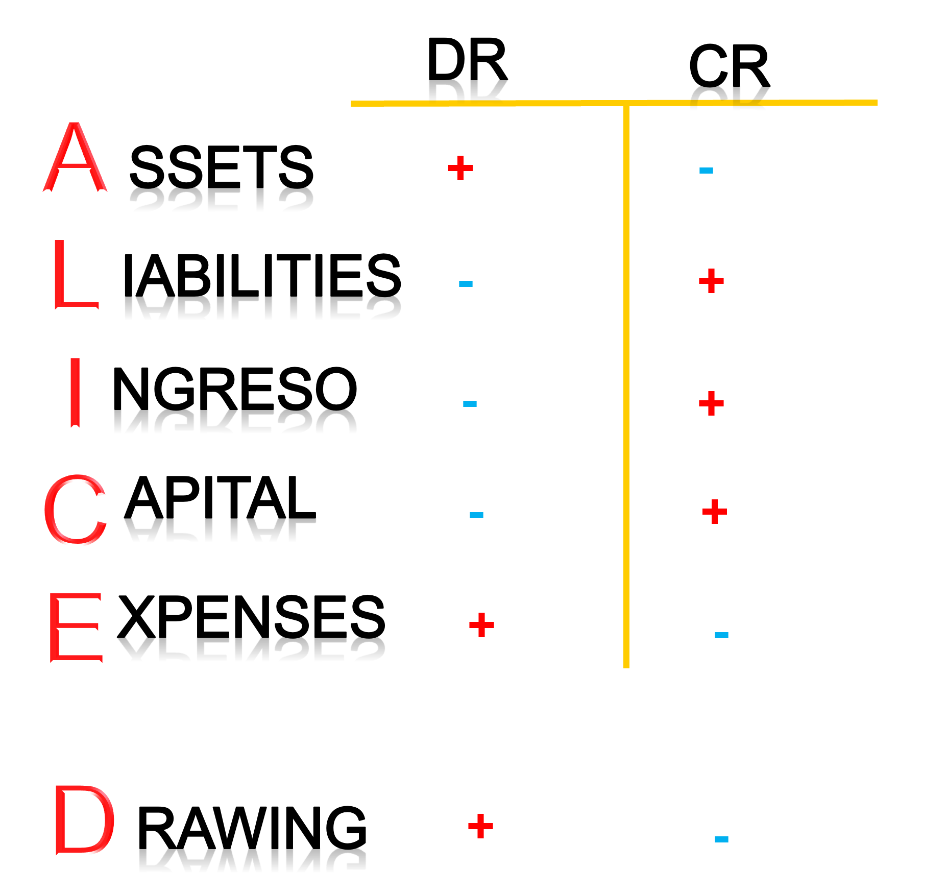
 |  |  |  |  |  |  |  |  | Accumulated Depreciation |  | 100 |  |  |  |  |  | $100
 |  |  |  |  |  |  |  |  | Accounts Payable |  | 750 |  |  |  |  |  | $750
PASO 2 | Bob Steely, Capital |  | 500 |  |  |  |  |  | Wages Payable |  | 575 |  |  |  |  |  | $575
 |  | Bob Steely, Withdrawals |  | 500 |  |  |  |  | Unearned Revenue |  | 400 |  |  |  |  |  | $400
 |  |  |  |  |  |  |  |  | Notes Payable (due in 5 years) |  | 3,000 |  |  |  |  |  | $3,000
 |  |  |  |  |  |  |  |  | Bob Steely, Capital |  | 5,490 | 2 | 500 | 1 | 3,600 |  | $8,590
 |  |  |  |  |  |  |  |  | Bob Steely, Withdrawals | 500 |  |  |  | 2 | 500 | $-
 |  |  |  |  |  |  |  |  | Fees Earned |  | 9,600 | 1 | 9,600 |  |  |  | $-
 |  |  |  |  |  |  |  |  | Wages Expense | 3,450 |  |  |  | 1 | 3,450 | -
 |  |  |  |  |  |  |  |  | Rent Expense | 1,900 |  |  |  | 1 | 1,900 | -
 |  |  |  |  |  |  |  |  | Utilities Expense | 475 |  |  |  | 1 | 475 | -
 |  |  |  |  |  |  |  |  | Depreciation Expense | 100 |  |  |  | 1 | 100 | -
 |  |  |  |  |  |  |  |  | Miscellaneous Expense | 75 |  |  |  | 1 | 75 | -

 |  |  |  |  |  |  |  |  |  | $19,915 | $19,915 |  | $10,100 |  | $10,100 | $13,415 | $13,415
 |  |  |  |  |  |  |  |  |  |  | $- |  |  |  |  |  | $-

